Pivot Nat plus E-Combo
 |  | Nat and Combo Bet | (All)
1320 | * | Dual Listing | 1 |  |  |  | * | To isolate UNIQUE bets, filter only "1" under Dual Listing drop down.
 |  | Algorithm | (All)
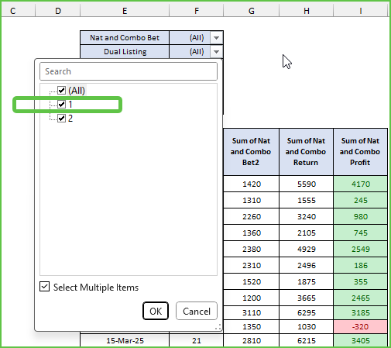
 |  | Track | (All)
 |  | State | (All)
 |  | Live Current Algo | (All)

 |  | Date | Count of Nat and Combo Bet | Sum of Nat and Combo Bet2 | Sum of Nat and Combo Return | Sum of Nat and Combo Profit
 |  | 2025 | 659 | 81900 | 105406 | 23506
 |  | Jan | 46 | 5900 | 11995 | 6095
 |  | Feb | 54 | 6650 | 11572 | 4922
 |  | Mar | 78 | 9770 | 15108 | 5338
 |  | Apr | 43 | 5670 | 5975 | 305
 |  | May | 50 | 5790 | 7452 | 1662
 |  | Jun | 46 | 5370 | 5755 | 385
 |  | Jul | 42 | 5260 | 4408 | -852
 |  | Aug | 64 | 7700 | 8919 | 1219
 |  | Sep | 64 | 8380 | 9728 | 1348
 |  | Oct | 48 | 5630 | 9274 | 3644
 |  | Nov | 70 | 8590 | 8729 | 139
 |  | Dec | 54 | 7190 | 6494 | -697
 |  | 2026 | 83 | 10460 | 10818 | 358
 |  | Jan | 67 | 8310 | 7551 | -760
 |  | Feb | 16 | 2150 | 3268 | 1118
 |  | Grand Total | 742 | 92360 | 116224 | 23864

